Data Q4_2023
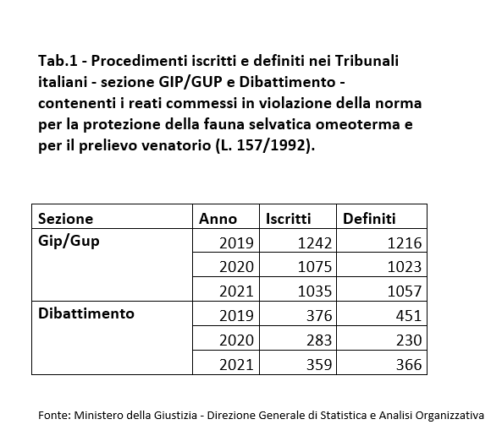
Question:
How many IKB cases have been prosecuted in the reporting period in your country?
Category of IKB offence | Number of persons prosecuted in the assessment period | Number of bird specimens involved in the offence (specimens seized)
Illegal killing of protected birds (shooting, poisoning, other methods of killing)
Illegal taking of protected birds (trapping using any means)
Illegal possession of live / dead protected birds
Illegal importation or transport of live / dead protected birds
Illegal taxidermy of protected birds
Illegal trade in protected birds (including trafficking for sale, marketing for sale of any live or dead protected birds or their parts)
Serving / offering of protected species in restaurants
Use of prohibited methods of hunting (bird callers, snares, nets, lights, gas, etc)
Hunting outside open season or during unpermitted hours
Hunting without a license, breach of license conditions (e.g. exceedance in hunting quotas, failure to report birds caught, etc)
Hunting in prohibited areas (game reserves)
Removal of eggs
Total

Details concerning the number of IKB cases prosecuted in the assessment period
Tab. 1 recorded and defined judicial proceedings

