Cover page
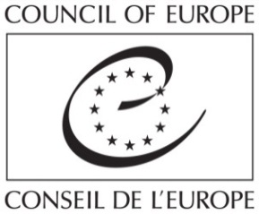

Strasbourg, 7 December 2022 | T-PVS/PA(2022) 12

CONVENTION ON THE CONSERVATION OF EUROPEAN WILDLIFE
AND NATURAL HABITATS

Consolidated Reference List

Document prepared by Marc Roekaerts

This document will not be distributed at the meeting. Please bring this copy
Ce document ne sera plus distribué en réunion. Prière de vous munir de cet exemplaire

