Dev Goals_EN (tick)
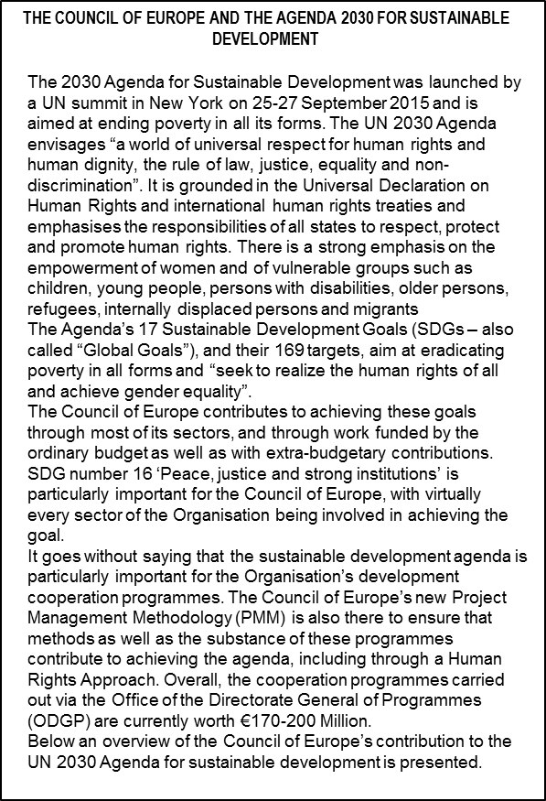
PILLAR / SECTOR / PROGRAMME |  |  | Goal 1: No poverty | Goal 3: Good health and well-being | Goal 4: Quality Education | Goal 5: Gender Equality | Goal 8: Decent Work and Economic Growth | Goal 10: Reduce inequality | Goal 11: Sustainable Cities and Communities | Goal 13: Climate action | Goal 14: Oceans, seas and marine resources | Goal 15: Life on land | Goal 16: Peace, Justice and Strong institutions | Goal 17: Global partnership for sustainable development
HUMAN RIGHTS
PROTECTING HUMAN RIGHTS
 |  | The European Court of Human Rights |  |  |  |  |  |  |  |  |  |  | ü
 |  | Execution of judgments of the European Court of Human Rights |  |  |  |  |  |  |  |  |  |  | ü
 |  | Effectiveness of the ECHR system at national and European level
 |  | European Committee for the Prevention of Torture (CPT) |  |  |  |  |  |  |  |  |  |  | ü
PROMOTING HUMAN RIGHTS AND DIGNITY
 |  | Commissioner for Human Rights | ü | ü | ü | ü |  |  |  |  |  |  | ü
 |  | Equality and human dignity - GREVIO |  |  |  | ü |  | ü |  |  |  |  | ü
 |  | Antidiscrimination - National Minorities, Regional or Minority Languages |  |  | ü | ü |  | ü | ü |  |  |  | ü
 |  | Social inclusion and respect for human rights : Migrants, Roma - Secretariat of the CoE Development Bank | ü | ü | ü | ü | ü | ü | ü |  |  |  | ü
 |  | Children’s rights | ü |  | ü | ü | ü | ü | ü |  |  |  | ü | ü
 |  | Bioethics |  | ü |  |  |  |  |  |  |  |  | ü
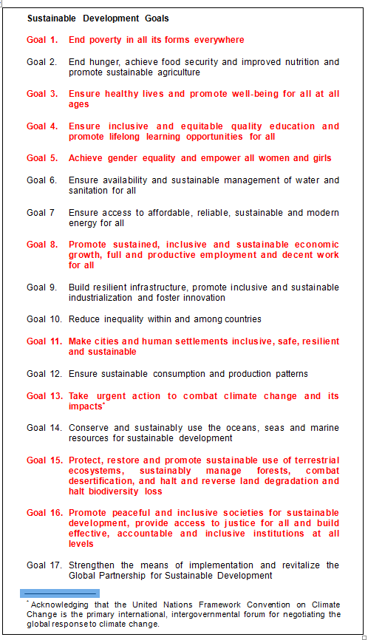
ENSURING SOCIAL RIGHTS
 |  | European Social Charter | ü | ü | ü | ü | ü |  | ü | ü |  |  | ü
 |  | European Directorate for the Quality of Medicines and Healthcare (EDQM, Pharmacopeia) |  | ü
RULE OF LAW
ENSURING JUSTICE
 |  | Independence and efficiency of Justice |  |  |  |  |  |  |  |  |  |  | ü
 |  | Prisons and Police |  |  |  |  |  |  |  |  |  |  | ü
STRENGTHENING THE RULE OF LAW
 |  | European Commission for Democracy through Law (Venice Commission) |  |  |  | ü |  |  |  |  |  |  | ü
 |  | Common standards and policies |  |  |  |  |  |  |  |  |  |  | ü
 |  | Information society and Internet Governance |  |  |  |  |  |  |  |  |  |  | ü
COUNTERING THREATS TO THE RULE OF LAW
 |  | Terrorism, corruption and organised crime – MONEYVAL – GRETA - GRECO - Drug Abuse and Illicit Trafficking (Pompidou Group) |  |  |  | ü | ü |  |  |  |  |  | ü
 |  | Sport integrity and values - Enlarged Partial Agreement on Sport (EPAS) |  |  |  |  |  |  |  |  |  |  | ü
DEMOCRACY
STRENGTHENING DEMOCRATIC GOVERNANCE AND FOSTERING INNOVATION
 |  | Parliamentary Assembly |  | ü | ü | ü | ü |  | ü | ü |  |  | ü
 |  | Congress of Local and Regional Authorities |  |  |  | ü |  | ü | ü |  |  |  | ü | ü
 |  | Democratic governance |  |  |  |  |  |  | ü |  |  |  | ü
PROMOTING PARTICIPATION & DIVERSITY
 |  | Education for Democracy - European Centre for Modern Languages - North South Centre |  |  | ü | ü |  |  |  |  |  |  | ü | ü
 |  | Youth for Democracy - European Youth Foundation - Youth Mobility through the Youth Card | ü |  | ü | ü |  |  |  |  |  |  | ü
 |  | Culture, Nature and Heritage - Eurimages - Major and Technological Disasters (EUR-OPA) - Cultural routes - Audiovisual Observatory |  |  |  |  |  |  | ü | ü | ü | ü | ü
 |  | European Youth centres (buildings)

 | NB: The Court’s case law contributes to the progress towards many goals of the UN 2030 Agenda for Sustainable Development.

 | This document constitutes Appendix II of the draft Programme and Budget 2018-19 (CM(2017)130)

