2026 LIST CERTIFIED TUTORS
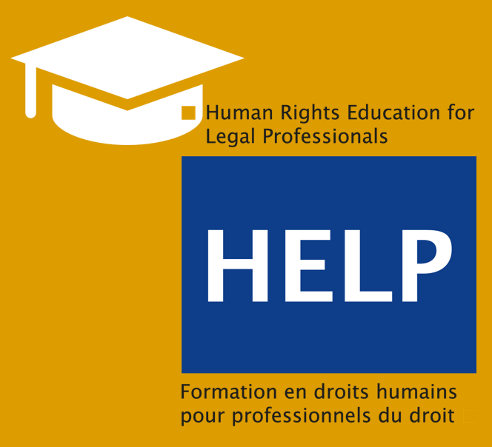 HELP CERTIFIED TUTORS
COUNTRY | NAME | SURNAME
Albania | Rezarta | Abdiu
Albania | Mirela | Bogdani
Albania | Florian | Borici
Albania | Aida | Bushati
Albania | Eliora | Elezi
Albania | Elvis | Garunja
Albania | Joana | Kashi
Albania | Dorian | Matlija
Albania | Erinda | Meli
Albania | Klajdi | Mone
Albania | Oriona | Mucollari
Albania | Erinda | Ndroqi
Albania | Nadia | Peto
Albania | Elsa | Toska
Albania | Florian | Borici
Albania | Viktor | Gumi
Albania | Romina | Zano

